Sheet1
Sl. No | STEPS | TEST DATA | SCREENSHOTS | EXPECTED OUTPUT | STATUS
1 | Navigate to Login Page | https://apply.gesahomeloans.com/mlo/login | 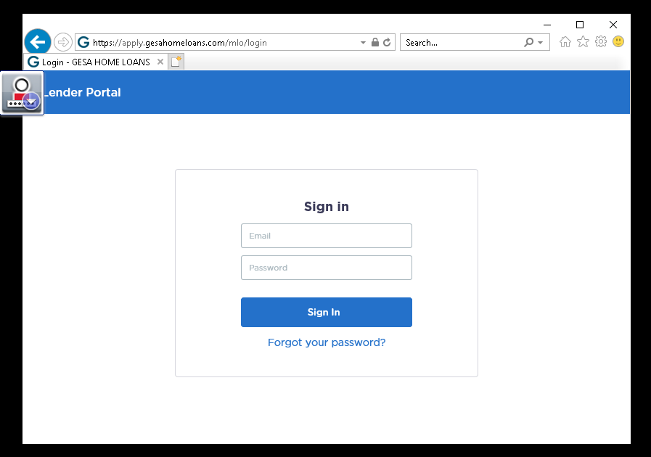 | Hippo Login Page is loaded | Pass
2 | Login page is not loaded completely Browser is closed midway Caps lock is on |  |  | Process should be retried | Pass
3 | Enter username and password | Username: rpatil@gesa.com Password: |  | Username and Password is typed into the boxes | Pass
4 | Click on Sign In button |  | 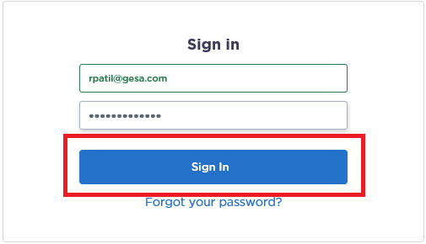 | Sign In button is clicked and Logged in successfully | Pass
5 | Check if the login was successful | Login to Hippo Failed (Exception message) | 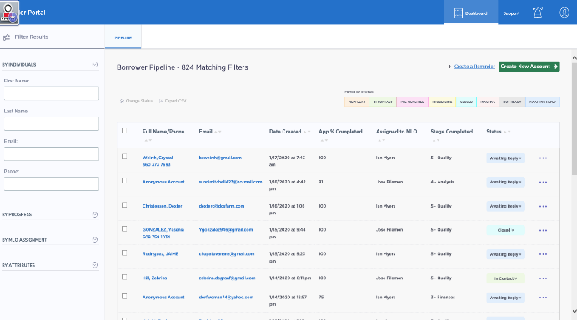 | Continue if the Login was successful else log error message | Pass
6 | Loan applicants are filtered based on "New Lead" and "Application completed 100%" |  | 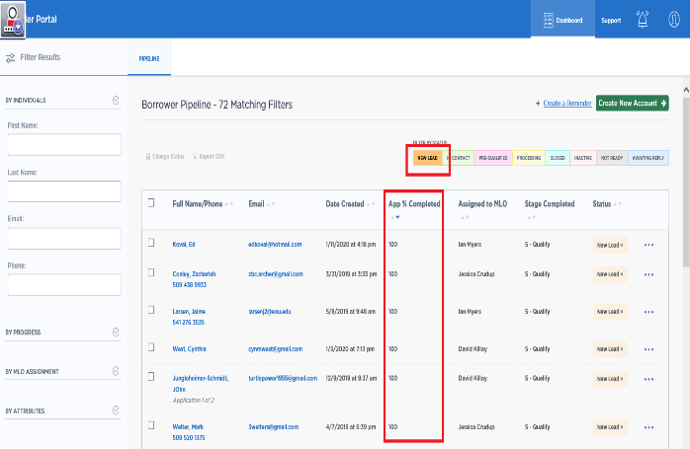 | Only New Lead and 100% completed applications are loaded | Pass
7 | Scrape Name, Date created, email and app completed from each page |  | 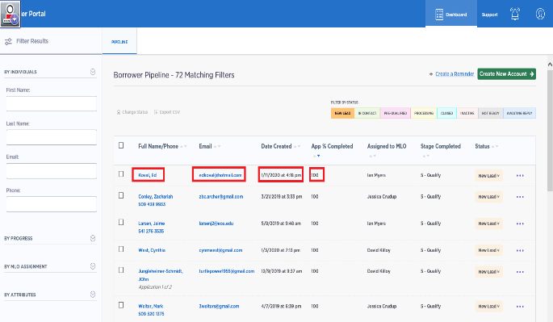 | Applicant details are scraped from each page | Pass
8 | If error occurs during the extraction, log the error message | Error in applicant details extraction(Exception message) |  | Error message is logged and the process is retried | Pass
9 | Applicant details are uploaded into Queue (Hippo_Queue_Foldercreation) |  |  | Queue Items are created in the orchestrator | Pass
10 | Folders are created in the loan applicant's name |  | 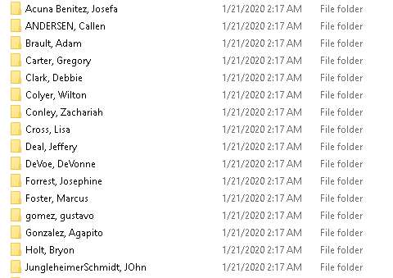 | A folder is created for each applicant | Pass
11 | Upload Applicant name, folder path, date and email into Queue(Hippo_Queue_Download) |  | 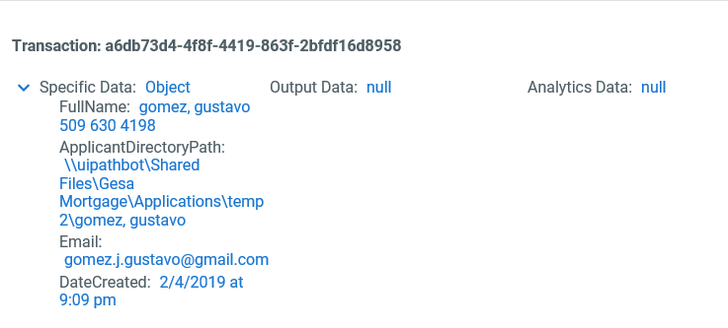 | Queue Items are created in the orchestrator | Pass
12 | Close and reopen the browser and login once again |  |  | Home page is loaded | Pass
13 | Type the email of the loan applicants obtained from the queue(Hippo_Queue_Download) |  | 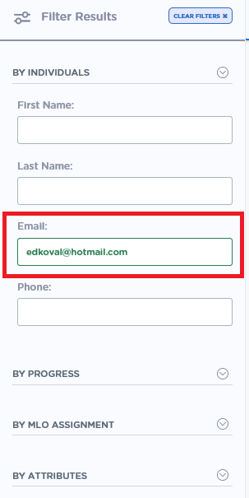 | Email ID of the first item in the queue is typed | Pass
14 | Extract the date created and compare with the date from the queue |  | 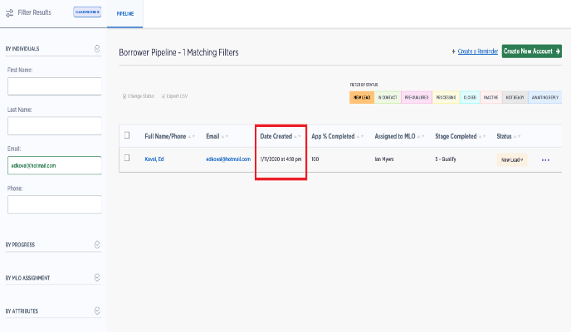 | Date created is extracted and compared | Pass
15 | If the dates don’t match, Business exception is thrown and the particular transaction is skipped |  |  | Process is skipped for that transaction and continues with next queue item | Pass
16 | If the dates match, Click on the applicant name |  | 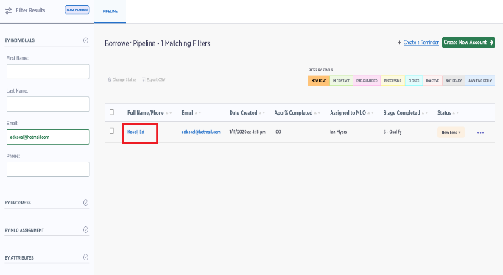 | A new tab with the applicant information is opened | Pass
17 | Click on 1003 form and extract the SSN |  | 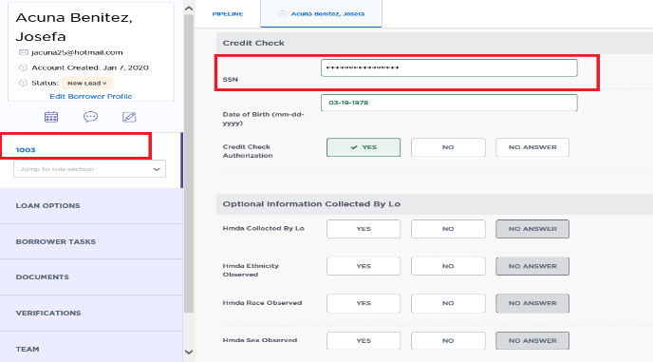 | SSN is extracted and stored for further processing | Pass
18 | If the SSN is empty, Skip the transaction |  |  | Process is skipped for that transaction and continues with next queue item | Pass
19 | If SSN is present, Click on Documents tab |  | 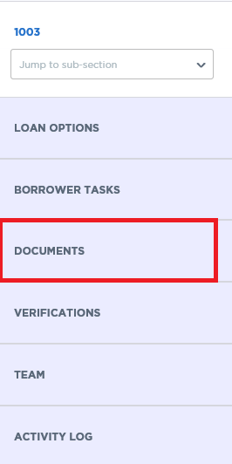 | Documents Tab is opened | Pass
20 | Click on Download FNM file |  | 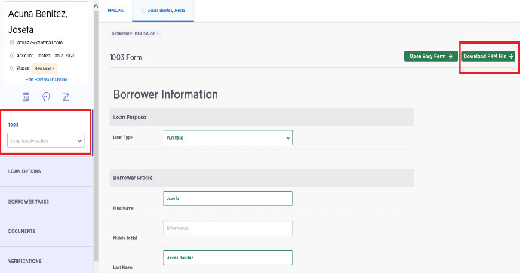 | FNM file is downloaded | Pass
21 | Check if Full_Credit_Report is present |  | 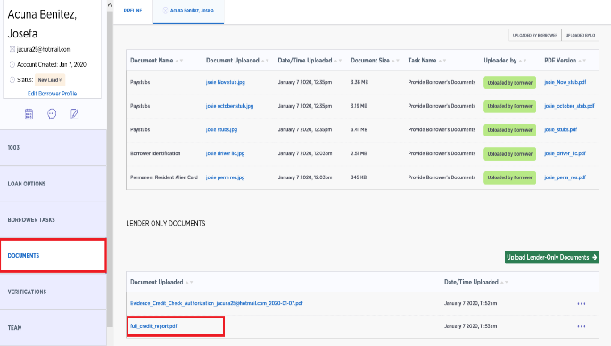 |  | Pass
22 | If the Credit report exists, download the report and ZIP files |  | 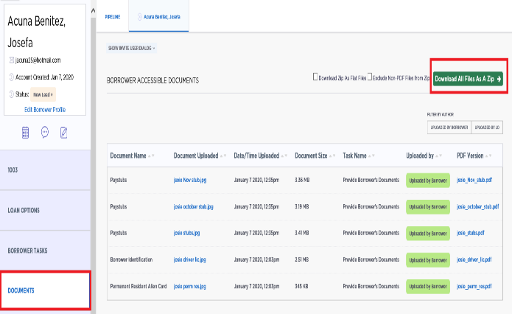 | Credit report and ZIP files are downloaded and stored in the respective folder | Pass
23 | If credit report does not exist, transaction is skipped |  |  | Process is skipped for that transaction and continues with next queue item | Pass
24 | If an applicant folder is found empty because it failed to sastisfy the above conditions, that particular folder should be deleted |  |  | Empty applicant folders get deleted | Pass
25 | At this point, the process is complete for one queue item |  |  | The Bot continues to process the next in line queue item | Pass
26 | Once all the queue items are processed, the application is logged out and closed |  |  | Application is closed successfully | Pass
27 | Incase of any application exception, the process is retried from where the error occurs |  |  | Process is retried for a maximum of 3 times and error message is logged | Pass
28 | Incase of any business exception, the process skips that particular transaction |  |  | Process is skipped for that transaction and continues with next queue item | Pass

